Feuil1
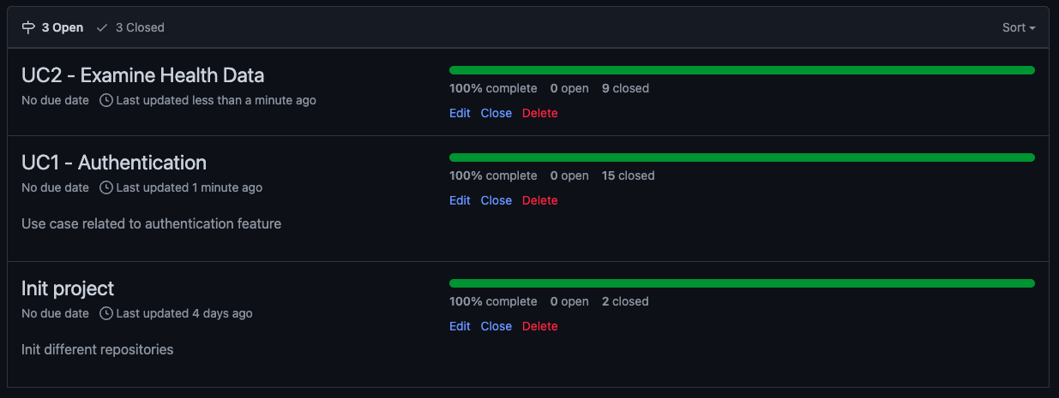
Type of task |  | All task are clickable and are linked to the Github task board

Non Development Task
 |  |  | Assignee / Weeks | For the 16/01/2023 | 16/01 -> 24/01 | Sprint 1 - UC1 | 24/01 -> 07/02 | Sprint 2 - UC2 | 07/02 -> 14/02 | Sprint 3
CI / CD |  |  | Dylan | Non development Task #83 | Development Task #67 | Development Task #74 | Non development Task #104
 |  |  |  | Non development Task #85 | Development Task #69 | Development Task #77 | Non development Task #108
Backend |  |  |  |  | Non development Task #88 | Development Task #99
 | Testing |  |  |  |  | Development Task #100

Frontend |  |  | Matis |  | Development Task #66 | Development Task #73
 | Integration |  |  |  | Development Task #68 | Development Task #76
 | Dynamization |  |  |  | Non development Task #93 | Development Task #99
 |  |  |  |  |  | Development Task #100

Use case | Description |  | PA | Non development Task #84 | Development Task #65 | Development Task #78 | Non development Task #105
UC 1 | UC Register / Login / Logout |  |  | Non development Task #86 | Development Task #75 | Development Task #75 | Development Task #106
UC 2 | UC Health Data |  |  | Development Task #63 | Non development Task #87 | Development Task #99 | Development Task #109
 |  |  |  | Development Task #64 | Development Task #89 | Development Task #100
 |  |  |  |  | Non development Task #94

 |  |  | Progress | Initialization & Non dev tasks | UC1 - Handle Auth & Non dev tasks | UC2 - Handle Health data | UC1 - Handle Auth & Non dev task
 |  |  |  | 100% | 100% | 100% | 100%

